Division Distro
 |  |  |  |  |  |  |  |  |  |  |  |  | UNFI customers: enter store number here
UPC | BRAND | DESCRIPTION | PK | SIZE | COST | TOTAL CMAP | NET COST | SRP$ | GP | Supply PC 48 | OPEN STOCK | Order Type | Delivery Date | Qty | Qty | Qty | Qty | Total | Total Sales | Total Net Sales
1084113311776 | Great Health | BULK 3 Ply Mask | 500 | 1 CT | $402.67 | $0.00 | $402.67 |  |  | TBD |  | GM06 | 2020-04-30 |  |  |  |  | 0 | $- | $-
not for resale | Great Health | BULK 3 Ply Mask | 500 | 1 CT |  |  | $0.81
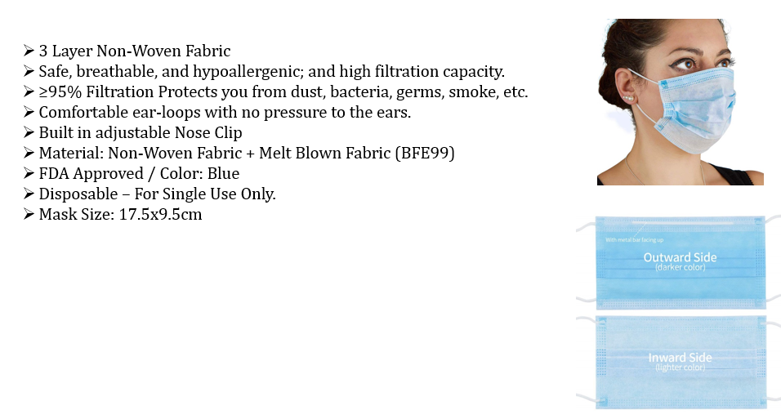
 |  |  |  |  |  |  |  |  |  |  |  | Store QTY Totals: |  | 0 | 0 | 0 | 0 | 0
 |  |  |  |  |  |  |  |  |  |  |  | Store Gross $ Totals: |  | $0 | $0 | $0 | $0 | $0 | $0 | $0

 |  |  |  |  |  |  |  |  |  |  |  | *15% Fee
 |  |  |  |  |  |  |  |  |  |  |  | * Transportation will be calculated based upon the shipping method from warehouse to store

If your Store is not serviced by UNFI - enter your Store Information Below:

Store Name:
Shipping Address:
City/St/Zip

Contact Person:
Phone #

